Sheet1
Food Storage Inventory and Analysis Spreadsheet
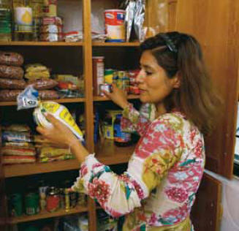
 | Group Breakdown: | # of adults | # of children |  | TOTAL CALORIES ON HAND:
 |  | 2 | 1 |  |  | 5,800

 |  |  |  |  | TOTAL DAYS OF FOOD ON HAND:
 |  |  |  |  |  | 1.2

Item Description | Servings per Package | Calories per Serving | Total on Hand | Calories per Package | Total Calories |  | Item Description | Servings per Package | Calories per Serving | Total on Hand | Calories per Package | Total Calories
 | 4 | 250 | 4 | 1000 | 4000 |  |  | 200 | 3 | 3 | 600 | 1800

